Frese S
QUICK - CALC Frese S
Setting & Selection program Frese S Dynamic Balancing Valve
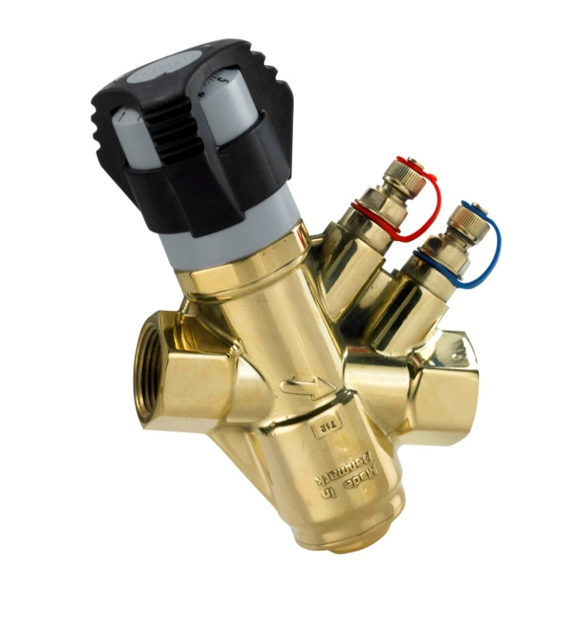
 | Input
Input Q = | 1200 | (l/h) Flow

Dimension | Range |  | Calculation
 | Flow (l/h) | Range ∆Pp (kPa) | Pre-set | Min. ∆P (kPa)
DN15 LP | 25-804 | 8-250 | NOT POSSIBLE | NOT POSSIBLE
DN15 HP | 40-1100 | 16-400 | NOT POSSIBLE | NOT POSSIBLE
DN20 LP | 41-1265 | 9-250 | 9.0 | 14.4
DN20 HP | 66-1850 | 12-400 | 6.8 | 20.8
DN25 LP | 61-1663 | 9-250 | 6.4 | 14.4
DN25 HP | 89-2350 | 12-400 | 4.9 | 19.5
DN32 | 217-4800 | 14-400 | 2.9 | 17.3
DN40 | 175-7450 | 15-400 | 2.4 | 17.1
DN50 | 440-10350 | 17-400 | 1.7 | 18.2

Range ∆Pp is defined from Min. Pump pressure (Min. ∆Pp) to Max. Pump pressure (Max.∆Pp) .

Frese SIGMA Compact Flange
QUICK - CALC Frese SIGMA Compact Flanged
Setting & Selection program Frese SIGMA Compact Dynamic Balancing Valve

 | Input
Input Q = | 250 | (m3/h) Flow
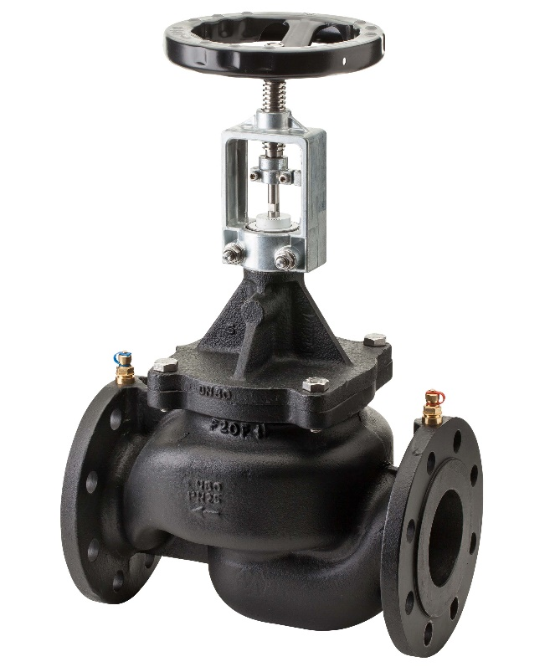

Dimension | Range |  | Calculation
 | Flow (m3/h) | Range ∆Pp(kPa) | Pre-set | Min. ∆P (kPa)
DN50 Low Flow | 2.48-15.00 | 7-800 | NOT POSSIBLE | NOT POSSIBLE
DN50 High Flow | 3.92-24.00 | 19-800 | NOT POSSIBLE | NOT POSSIBLE
DN65 Low Flow | 4.38-25.00 | 15-800 | NOT POSSIBLE | NOT POSSIBLE
DN65 High Flow | 5.95-35.00 | 30-800 | NOT POSSIBLE | NOT POSSIBLE
DN80 Low Flow | 5.34-34.00 | 16-800 | NOT POSSIBLE | NOT POSSIBLE
DN80 High Flow | 7.02-43.00 | 23-800 | NOT POSSIBLE | NOT POSSIBLE
DN100 Low Flow | 12.10-68.00 | 20-800 | NOT POSSIBLE | NOT POSSIBLE
DN100 High Flow | 14.80-90.00 | 30-800 | NOT POSSIBLE | NOT POSSIBLE
DN125 Low Flow | 18.5-110.0 | 16-800 | NOT POSSIBLE | NOT POSSIBLE
DN125 High Flow | 23.0-135.0 | 27-800 | NOT POSSIBLE | NOT POSSIBLE
DN150 Low Flow | 25.6-148.0 | 21-800 | NOT POSSIBLE | NOT POSSIBLE
DN150 High Flow | 32.0-195.0 | 33-800 | NOT POSSIBLE | NOT POSSIBLE
DN200 Low Flow | 95.0-210.0 | 11-800 | NOT POSSIBLE | NOT POSSIBLE
DN200 High Flow | 130.0-280.0 | 31-800 | 3.5 | 71
DN250 Low Flow | 190.0-475.0 | 10-800 | 1.9 | 14
DN250 High Flow | 245.0-600.0 | 15-800 | 1.1 | 15
DN300 Low Flow | 190.0-475.0 | 10-800 | 1.9 | 14
DN300 High Flow | 245.0-600.0 | 15-800 | 1.1 | 15

Range ∆Pp is defined from Min. Pump pressure (Min. ∆Pp) to Max. Pump pressure (Max.∆Pp) .

Frese OPTIMA
QUICK - CALC Frese OPTIMA
Setting & Selection program Frese OPTIMA Pressure Independent Control Valve
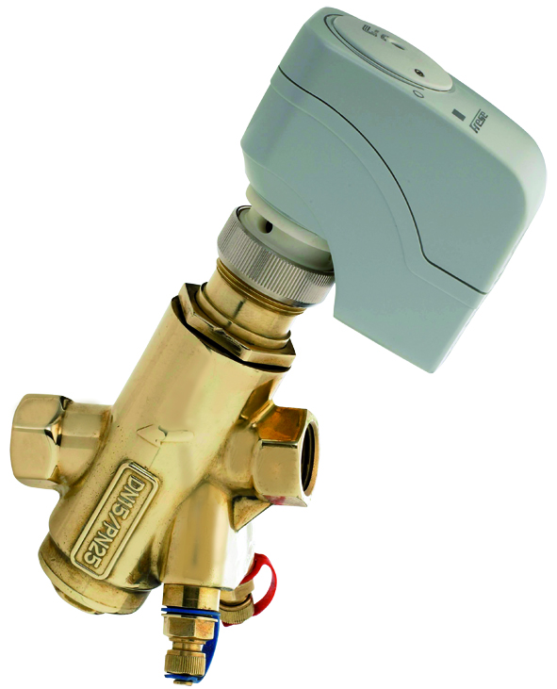
 | Input
Input Q = | 2204 | (l/h) Flow

Dimension | Range |  | Calculation
 | Flow (l/h) | Range ∆Pp(kPa) | Pre-set | Min. ∆P (kPa)
DN15 LF | 78-625 | 14-400 | NOT POSSIBLE | NOT POSSIBLE
DN15 HF | 244-1724 | 14-400 | NOT POSSIBLE | NOT POSSIBLE
DN20 LF | 131-1050 | 14-400 | NOT POSSIBLE | NOT POSSIBLE
DN20 HF | 292-2039 | 13-400 | NOT POSSIBLE | NOT POSSIBLE
DN25 LF | 231-1722 | 14-400 | NOT POSSIBLE | NOT POSSIBLE
DN25 HF | 292-2039 | 14-400 | NOT POSSIBLE | NOT POSSIBLE
DN32 | 465-3056 | 14-400 | 2.5 | 16.6
DN40 | 2022-7105 | 16-400 | 0.5 | 16.5
DN50 | 2204-8586 | 19-400 | 0.5 | 19.0

Range ∆Pp is defined from Min. Pump pressure (Min. ∆Pp) to Max. Pump pressure (Max.∆Pp) .

Frese OPTIMA Compact
QUICK - CALC Frese OPTIMA Compact
Setting & Selection program Frese OPTIMA Compact Pressure Independent Control Valve
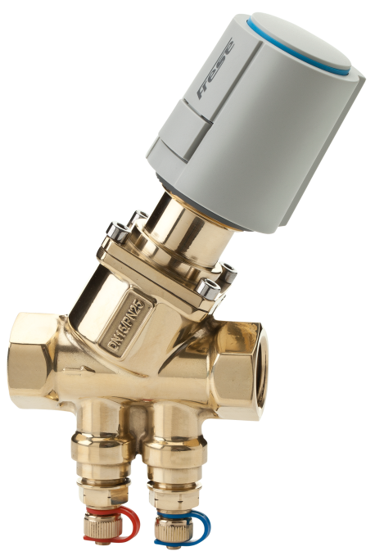
 | Input
Input Q = | 1500 | (l/h) Flow

Dimension | Range |  | Calculation
 | Flow (l/h) | Range ∆Pp(kPa) | Pre-set | Min. ∆P (kPa)
DN10 Low 2,5 | 30-200 | 14-800 | NOT POSSIBLE | NOT POSSIBLE
DN10 Low 5,0 | 65-370 | 14-800 | NOT POSSIBLE | NOT POSSIBLE
DN15 Low 2,5 | 30-200 | 14-800 | NOT POSSIBLE | NOT POSSIBLE
DN15 Low 5,0 | 65-370 | 14-800 | NOT POSSIBLE | NOT POSSIBLE
DN15 High 2,5 | 100-575 | 15-800 | NOT POSSIBLE | NOT POSSIBLE
DN15 High 5,0 | 220-1330 | 16-800 | NOT POSSIBLE | NOT POSSIBLE
DN20 High 2,5 | 100-575 | 15-800 | NOT POSSIBLE | NOT POSSIBLE
DN20 High 4,0 | 160-990 | 15-800 | NOT POSSIBLE | NOT POSSIBLE
DN20 High 5,0 | 220-1330 | 16-800 | NOT POSSIBLE | NOT POSSIBLE
DN20 High 5,5 | 300-1800 | 18-800 | 3.4 | 34.4
DN25 Low 5,5 | 280-1800 | 15-800 | 3.5 | 30.4
DN25L High 5,5 | 600-3609 | 17-800 | 1.6 | 17.7
DN32 | 550-4001 | 18-800 | 1.5 | 18.5
DN40 | 1370-9500 | 10-800 | 0.7 | 10
DN50 | 1400-11500 | 10-800 | 0.7 | 10

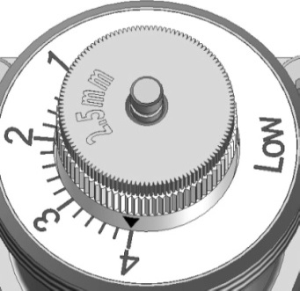

Range ∆Pp is defined from Min. Pump pressure (Min. ∆Pp) to Max. Pump pressure (Max.∆Pp) .

Frese OPTIMA Compact Flanged
QUICK - CALC Frese OPTIMA Flanged
Setting & Selection program Frese OPTIMA Flanged Pressure Independent Control Valve
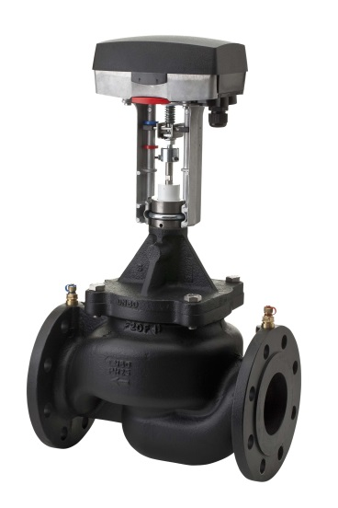
 | Input
Input Q = | 250 | (m3/h) Flow

Dimension | Range |  | Calculation
 | Flow (m3/h) | Range ∆Pp(kPa) | Pre-set | Min. ∆P (kPa)
DN50 Low Flow | 2.48-15.00 | 7-800 | NOT POSSIBLE | NOT POSSIBLE
DN50 High Flow | 3.92-24.00 | 19-800 | NOT POSSIBLE | NOT POSSIBLE
DN65 Low Flow | 4.38-25.00 | 15-800 | NOT POSSIBLE | NOT POSSIBLE
DN65 High Flow | 5.95-35.00 | 30-800 | NOT POSSIBLE | NOT POSSIBLE
DN80 Low Flow | 5.34-34.00 | 16-800 | NOT POSSIBLE | NOT POSSIBLE
DN80 High Flow | 7.02-43.00 | 23-800 | NOT POSSIBLE | NOT POSSIBLE
DN100 Low Flow | 12.10-68.00 | 20-800 | NOT POSSIBLE | NOT POSSIBLE
DN100 High Flow | 14.80-90.00 | 30-800 | NOT POSSIBLE | NOT POSSIBLE
DN125 Low Flow | 18.5-110.0 | 16-800 | NOT POSSIBLE | NOT POSSIBLE
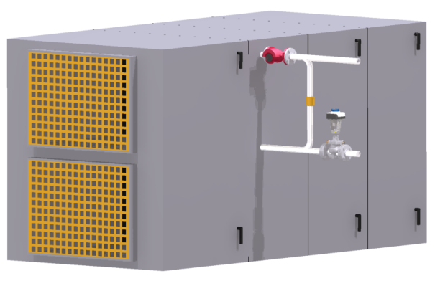
DN125 High Flow | 23.0-135.0 | 27-800 | NOT POSSIBLE | NOT POSSIBLE
DN150 Low Flow | 25.6-148.0 | 21-800 | NOT POSSIBLE | NOT POSSIBLE
DN150 High Flow | 32.0-195.0 | 33-800 | NOT POSSIBLE | NOT POSSIBLE
DN200 Low Flow | 95.0-210.0 | 11-800 | NOT POSSIBLE | NOT POSSIBLE
DN200 High Flow | 130.0-280.0 | 31-800 | 3.5 | 71
DN250 Low Flow | 190.0-475.0 | 10-800 | 1.9 | 14
DN250 High Flow | 245.0-600.0 | 15-800 | 1.1 | 15
DN300 Low Flow | 190.0-475.0 | 10-800 | 1.9 | 14
DN300 High Flow | 245.0-600.0 | 15-800 | 1.1 | 15

Range ∆Pp is defined from Min. Pump pressure (Min. ∆Pp) to Max. Pump pressure (Max.∆Pp) .

Frese PV
QUICK - CALC Frese PV
Setting & Selection program Frese PV Differential Pressure Control Valve
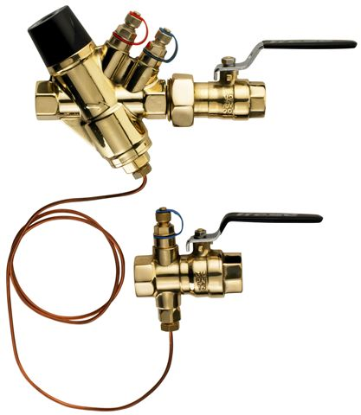
 |  | Input
Input ∆Ps = |  | 40 | (kPa) Differential Pessure setting
Input Q = |  | 15000 | (l/h) Design flow

Dim. | ∆Ps range | Range |  | Pre-set
 |  | Flow (l/h) | Range ∆Pp (kPa) | Number of turns
DN15 | 5-30 kPa | 50-600 | 5-400 | NOT POSSIBLE
DN15 | 20-60 kPa | 100-1200 | 20-400 | NOT POSSIBLE
DN20 | 5-30kPa | 100-1000 | 5-400 | NOT POSSIBLE
DN20 | 20-60kPa | 150-2000 | 20-400 | NOT POSSIBLE
DN25 | 5-30 kPa | 600-2500 | 5-400 | NOT POSSIBLE
DN25 | 20-60 kPa | 700-4000 | 20-400 | NOT POSSIBLE
DN32 | 20-80 kPa | 1000-5000 | 20-400 | NOT POSSIBLE
DN40 | 20-80 kPa | 3000-8000 | 20-400 | NOT POSSIBLE
DN50 | 20-80 kPa | 5000-15000 | 20-400 | 13.4

Calculation of pressure loss
Dimension |  | ∆Pv (kPa) | Min. ∆Pp (kPa)
DN15 5-30 kPa |  | NOT POSSIBLE | NOT POSSIBLE
DN15 20-60 kPa |  | NOT POSSIBLE | NOT POSSIBLE
DN20 5-30kPa |  | NOT POSSIBLE | NOT POSSIBLE
DN20 20-60kPa |  | NOT POSSIBLE | NOT POSSIBLE
DN25 5-30 kPa |  | NOT POSSIBLE | NOT POSSIBLE
DN25 20-60 kPa |  | NOT POSSIBLE | NOT POSSIBLE
∆Pp = Pump pressure
∆Ps = Differential pressure setting
∆Pv = Pressure loss across valve
∆Pp = Pump pressure
∆Ps = Differential pressure setting
∆Pv = Pressure loss across valve
DN32 20-80 kPa |  | NOT POSSIBLE | NOT POSSIBLE
DN40 20-80 kPa |  | NOT POSSIBLE | NOT POSSIBLE
DN50 20-80 kPa |  | 70.2 | 110.2

Range ∆Pp is defined from Min. Pump pressure (Min. ∆Pp) to Max. Pump pressure (Max.∆Pp) .

Frese PV Compact
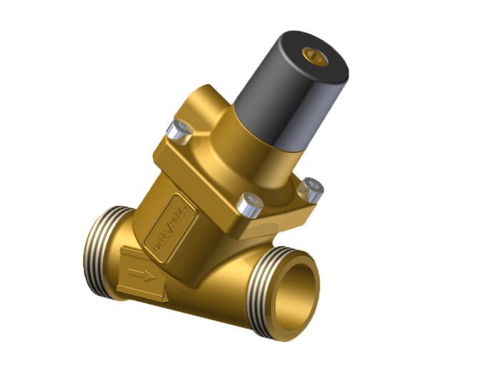
QUICK - CALC Frese PV Compact
Setting & Selection program PV Compact Differential Pressure Control Valve

 |  | Input
Input ∆Ps = |  | 50 | (kPa) Differential Pessure setting
Input Q = |  | 5000 | (l/h) Design flow

Dim. | ∆Ps range | Range |  | Pre-set
 |  | Flow (l/h) | Range ∆Pp (kPa) | Number of turns
DN15 | 5-30 kPa | 50-600 | 5-450 | NOT POSSIBLE
DN15 | 20-60 kPa | 100-1000 | 20-450 | NOT POSSIBLE
DN20 | 5-30 kPa | 100-1000 | 5-450 | NOT POSSIBLE
DN20 | 20-60 kPa | 150-2000 | 20-450 | NOT POSSIBLE
DN25 | 5-30 kPa | 600-2100 | 5-450 | NOT POSSIBLE
DN25L | 20-80 kPa | 750-4200 | 20-450 | NOT POSSIBLE
DN32 | 20-80 kPa | 1000-5000 | 20-450 | 11.5
DN40 | 20-80 kPa | 3000-8000 | 20-450 | 9.8
DN50 | 20-80 kPa | 5000-11500 | 20-450 | 6.9

Calculation of pressure loss
Dimension |  | ∆Pv (kPa) | Min. ∆Pp (kPa)
DN15 5-30 kPa |  | NOT POSSIBLE | NOT POSSIBLE
DN15 20-60 kPa |  | NOT POSSIBLE | NOT POSSIBLE
DN20 5-30 kPa |  | NOT POSSIBLE | NOT POSSIBLE
DN20 20-60 kPa |  | NOT POSSIBLE | NOT POSSIBLE
DN25 5-30 kPa |  | NOT POSSIBLE | NOT POSSIBLE
DN25 20-80 kPa |  | NOT POSSIBLE | NOT POSSIBLE
DN32 20-80 kPa |  | 24.5 | 74.5
DN40 20-80 kPa |  | 10.0 | 60.0
DN50 20-80 kPa |  | 9.5 | 59.5
∆Pp = Pump pressure
∆Ps = Differential pressure setting
∆Pv = Pressure loss across valve

Range ∆Pp is defined from Min. Pump pressure (Min. ∆Pp) to Max. Pump pressure (Max.∆Pp) .

Frese PVS
QUICK - CALC Frese PVS
Selection program Frese PVS Differential Pressure & Dynamic Flow Control
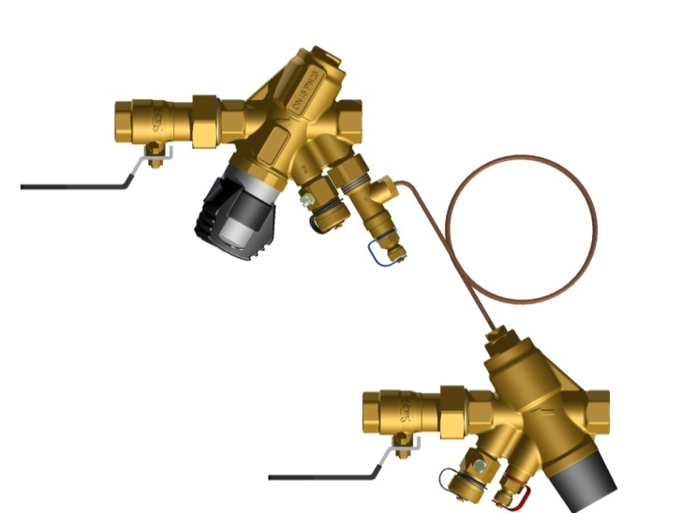
Frese S (Supply)
 | Input
Input ∆Ps = | 10 | (kPa) Differential pressure setting
Input Q = | 1200 | (l/h) Design flow in Zone

Frese PV (Return) |  | Frese S (Supply) |  | PVS System
Pre-set Frese PV |  | Pre-set Frese S |  | Total Pressure loss
Dimension | Number of turns | Dimension | Pre-set | Min. ∆Pp (kPa)
DN15 5-30 kPa | NOT POSSIBLE | DN15 LP | NOT POSSIBLE | NOT POSSIBLE
DN15 20-60 kPa | NOT POSSIBLE | DN15 HP | NOT POSSIBLE | NOT POSSIBLE
DN20 5-30kPa | NOT POSSIBLE | DN20 LP | 9.0 | NOT POSSIBLE
DN20 20-60kPa | NOT POSSIBLE | DN20 HP | 6.8 | NOT POSSIBLE
DN25 5-30 kPa | 9.0 | DN25 LP | 6.4 | 26.0
DN25 20-60 kPa | NOT POSSIBLE | DN25 HP | 4.9 | NOT POSSIBLE
Frese PV (Return)
DN32 20-80 kPa | NOT POSSIBLE | DN32 HP | 2.9 | NOT POSSIBLE
DN40 20-80 kPa | NOT POSSIBLE | DN40 HP | 2.4 | NOT POSSIBLE
DN50 20-80 kPa | NOT POSSIBLE | DN50 HP | 1.7 | NOT POSSIBLE

S

PV

Frese PV
Frese S
∆Pp = Pump pressure
∆Ps = Differential pressure setting
∆Pv = Pressure loss across valve
 |  |  | 2

Dim. ∆Ps Rang. | Frese PV ∆P - Controller |  | Frese S Flow Controller |  | Frese PV&S ∆P & Flow Controller
 | Flow range (l/h) | ∆Pp range (kPa) | Flow range (l/h) | ∆Pp range (kPa) | ∆Ps range (kPa) | Flow range (l/h) | ∆Pp range (kPa)
DN15 5-30kPa | 50-600 | 5-400 | 25-804 | 8-250 | 5-30 | 50-600 | 14-250
DN15 20-60kPa | 100-1200 | 20-400 | 40-1100 | 16-400 | 20-60 | 100-1100 | 37-400
DN20 5-30 kPa | 100-1000 | 5-400 | 41-1265 | 9-250 | 5-30 | 100-1000 | 14-250
DN20 20-60kPa | 150-2000 | 20-400 | 66-1850 | 12-400 | 20-60 | 150-1850 | 33-400
DN25 5-30kPa | 600-2500 | 5-400 | 61-1663 | 9-250 | 5-30 | 600-1663 | 17-250
DN25 20-60kPa | 700-4000 | 20-400 | 89-2350 | 12-400 | 20-60 | 700-2350 | 37-400
DN32 20-80kPa | 1000-5000 | 20-400 | 217-4800 | 14-400 | 20-80 | 1000-4800 | 38-400
DN40 20-80kPa | 3000-8000 | 20-400 | 175-7450 | 15-400 | 20-80 | 3000-7450 | 45-400
DN50 20-80kPa | 5000-15000 | 20-400 | 440-10350 | 17-400 | 20-80 | 5000-10350 | 57-400

Frese PV-SIGMA
QUICK - CALC Frese PV-SIGMA Compact
Selection program Frese PV-SIGMA Compact Differential Pressure & Dynamic Flow Control
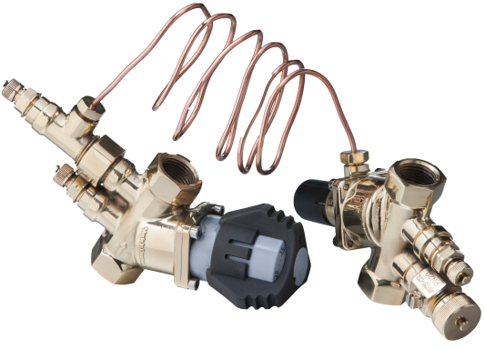
Frese SIGMA Compact (Supply)
 | Input
Input ∆Ps = | 30 | (kPa) Differential pressure in system
Input Q = | 1300 | (l/h) Design flow in system

PV Compact (Return) |  | SIGMA Compact (Supply) |  | PV-SIGMA System
Pre-set PV Compact |  | Pre-set SIGMA Compact |  | Total pressure loss
Dimension | Number of turns | Dimension | Pre-set | Min. ∆Pp (kPa)
DN15 5-30 kPa | NOT POSSIBLE | DN15 Low | NOT POSSIBLE | NOT POSSIBLE
Frese PV Compact (Return)
DN15 20-60 kPa | NOT POSSIBLE | DN15 High | NOT POSSIBLE | NOT POSSIBLE
DN20 5-30kPa | NOT POSSIBLE | DN20 Low | 2.8 | NOT POSSIBLE
DN20 20-60kPa | 7.9 | DN20 High | 2.3 | 60.5
DN25 5-30 kPa | 17.4 | DN25 High | 2.1 | 56.2
DN25 20-80 kPa | 3.3 | DN25 High | 2.1 | 47.8
DN32 20-80 kPa | 3.0 | DN32 | 1.2 | 47.4
DN40 20-80 kPa | NOT POSSIBLE | DN40 | 0.8 | NOT POSSIBLE
DN50 20-80 kPa | NOT POSSIBLE | DN50 | 0.7 | NOT POSSIBLE
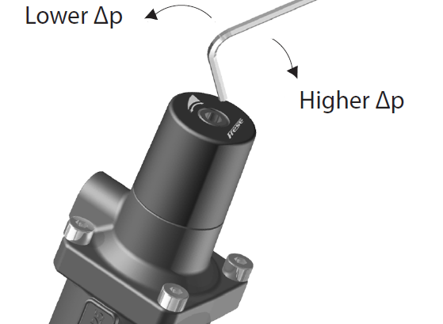
∆Ps

∆Pv
∆Pv
∆Pp
∆Pp = ∆Ps + ∆Pv
Frese PV Compact
Frese SIGMA Compact
∆Pp = Pump pressure
∆Ps = Differential pressure in system
∆Pv = Pressure loss across valve

Range ∆Pp is defined from Min. Pump pressure (Min. ∆Pp) to Max. Pump pressure (Max.∆Pp) .
 | PV Compact ∆P - Controller |  | SIGMA Compact Flow Controller |  | PV-SIGMA Compact System ∆P & Flow controller
Dim. ∆Ps Range | Flow range (l/h) | ∆Pp range (kPa) | Flow range (l/h) | ∆Pp range (kPa) | ∆Ps range (kPa) | Flow range (l/h) | ∆Pp range (kPa)
DN15 5-30kPa | 50-600 | 7-450 | 40-900 | 10-400 | 5-30 | 50-600 | 10-400
DN15 20-60kPa | 100-1000 | 22-450 | 60-1080 | 14-400 | 20-60 | 100-1000 | 22-400
DN20 5-30 kPa | 100-1000 | 7-450 | 86-1550 | 9-400 | 5-30 | 100-1000 | 9-400
DN20 20-60 kPa | 150-2000 | 22-450 | 102-1930 | 16-400 | 20-60 | 150-1930 | 22-400
DN25 5-30kPa | 600-2100 | 7-450 | 137-2400 | 14-400 | 5-30 | 600-2100 | 14-400
DN25 20-80kPa | 750-4200 | 22-450 | 137-2400 | 14-400 | 20-80 | 750-2400 | 22-400
DN32 20-80kPa | 1000-5000 | 22-450 | 200-5000 | 15-400 | 20-80 | 1000-5000 | 22-400
DN40 20-80kPa | 3000-8000 | 22-450 | 719-7400 | 10-400 | 20-80 | 3000-7400 | 22-400
DN50 20-80kPa | 5000-11500 | 22-450 | 900-10350 | 10-400 | 20-80 | 5000-10350 | 22-400

ALPHA
Quick - CALC Frese ALPHA
Selection program Frese ALPHA Dynamic Balancing Valve

 |  |  | Input |  | CARTRIDGE SELECTION |  |  | Flow | Min. ΔP | Item no. | Item no. | Deviation
 | Input Q = |  | 1,000 | (l/h) Flow | with selected Valve dimension (DN) |  |  | l/h | kPa | LP | HP

 | ΔP range (kPa) | DN15-25 | DN25L-50 |  | Nearest higher Flow |  |  | 1020 | 12 | 50-33089 | 49-33089 | 2.0%
 | LP Low Press. | 7-350 | 12-350
 | HP High Press. | 7-600 | 12-600 |  | Nearest lower Flow |  |  | 861 | 12 | 50-33082 | 49-33082 | -13.9%

 |  |  |  |  |  | Plugs |  | Drain Valve |  | P/T-Plugs
 | Dimension Valve house DN |  |  |  |  | ALPHA | Item no. | ALPHA | Item no. | ALPHA | Item no.
 | Input DN = |  | 50 |  |  | 50 | 49-9066 | 50 | 49-9064 | 50 | 49-9061

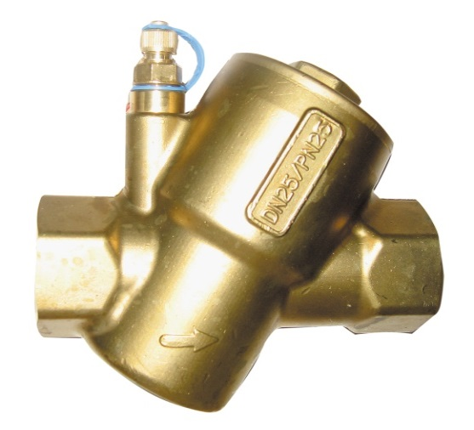
 | ALPHA Valve
 | Valve | Flow
 | Dimension | range
 | DN | l/h
 | 15 | 25-2448
 | 20 | 25-2448
 | 25 | 25-2448

 | 25L | 674-11355
 | 32 | 674-11355
 | 40 | 674-11355
 | 50 | 674-11355

ALPHA Wafer
 | QUICK - CALC Frese ALPHA Flange
Selection program Frese ALPHA Wafer Dynamic Balancing Valve
 |  |  | Input |  | CARTRIDGE SELECTION | Flow | Min. ΔP | Qty | Vare nr. | Flow | Qty | Item no. | Flow | Deviation
 | Input Q = |  | 175.3 | m³/h Flow | with selected Valve dimension (DN) | m³/h | kPa | Cartriges |  |  | Cartridges
 |  |  |  |  | Nearest higher Flow | 175.5 | 23 | 13 | 52-55292 | 12.5 | 2 | 52-55243 | 6.5 | 0.1%
 | Cartridge Type HP (High Pressure)
 | AISI 304 |  |  |  | Nearest lower Flow | 171.0 | 22 | 15 | 52-55287 | 11.4 |  |  |  | -2.5%
 | ΔP range: 13 - 600 kPa
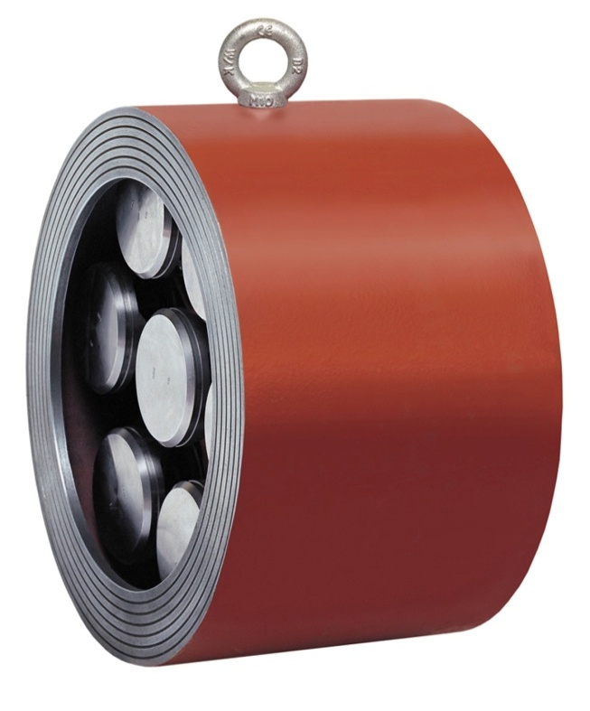

 | Dimension Valve house DN
 | Input DN = |  | 300

 | Item no. Valve house |  | 49-9143-01

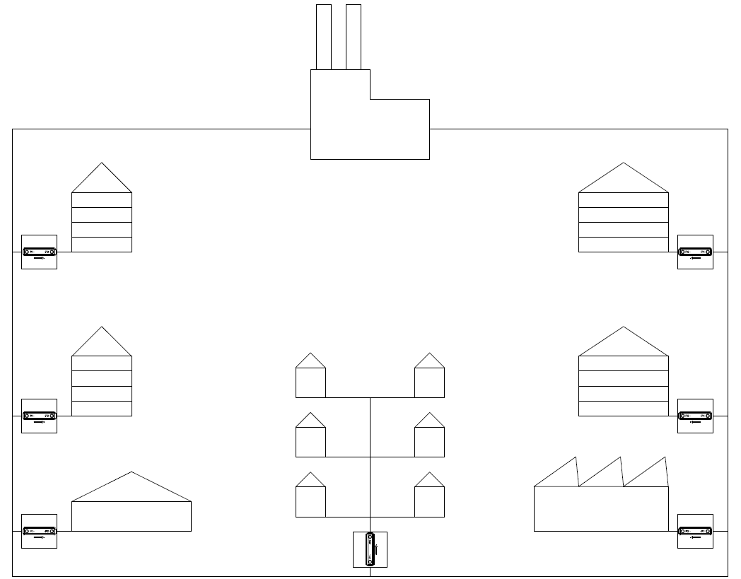

Valve | Flow | Qty
Dim. | m³/h | Cartridges
DN

50 | 3,8 - 45,0 | 1
65 | 3,8 - 45,0 | 1
80 | 3,8 - 45,0 | 1
100 | 3,8 - 90,0 | 2
125 | 3,8 - 135,0 | 3
150 | 3,8 - 180,0 | 4
200 | 3,8 - 315,0 | 7
250 | 3,8 - 540,0 | 12
300 | 3,8 - 675,0 | 15
350 | 3,8 - 855,0 | 19
400 | 3,8 - 1.170,0 | 26
450 | 3,8 - 1.485,0 | 33
500 | 3,8 - 1.800,0 | 40
600 | 3,8 - 2.520,0 | 56
800 | 3,8 - 3.825,0 | 85

EVA
Quick - CALC Frese EVA
Selection program Frese EVA Dynamic Balancing & Control Valve On/Off

 |  | Input |  | CARTRIDGE SELECTION |  | Flow | Min. ΔP kPa | Min. ΔP kPa | Item no. | Item no. | Deviation
 | Input Q = | 1,500 | (l/h) Flow | with selected Valve dimension (DN) |  | l/h | Cartridge | total valve | LP | HP

 | ΔP range (kPa) | DN15-25 |  | Nearest higher Flow |  | 1581 | 23 | 51 | 50-20880 | 49-20880 | 5.4%
 | LP Low Press. | 7-350
 | HP High Press. | 7-600 |  | Nearest lower Flow |  | 1483 | 23 | 47 | 50-20860 | 49-20860 | -1.1%

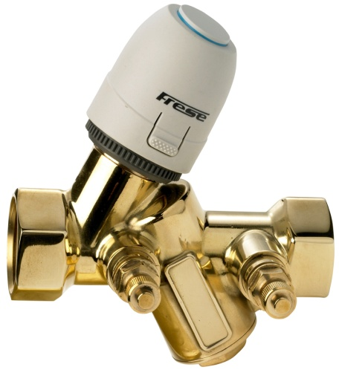
 | Dimension Valve house DN ; Kvs = 3,0
 | Input DN = | 20

 | Frese EVA with Plugs
 | EVA F/F | Item no.
 | 20 | 48-5804

 | Frese EVA with P/T plugs
 | EVA F/F | Item no.
 | 20 | 48-5801
 |  |  |  | Actuator (NC) | Item no.
 | Male/Male |  |  | 24 V On/Off | 48-5515
 | EVA Basic | Item no. |  | 230 V On/Off | 48-5518
 | 15 | 48-5806

 | EVA
 | Valve | Flow
 | Dimension
 | DN | l/h
 | 15 | 25-2448
 | 20 | 25-2448
 | 25 | 25-2448

 | EVA Basic
 | 15 | 25-2448

Frese OPTIMIZER
Date 01-04-2014
QUICK - CALC Frese OPTIMIZER
Control unit 4-pipe Heating/Cooling Systems
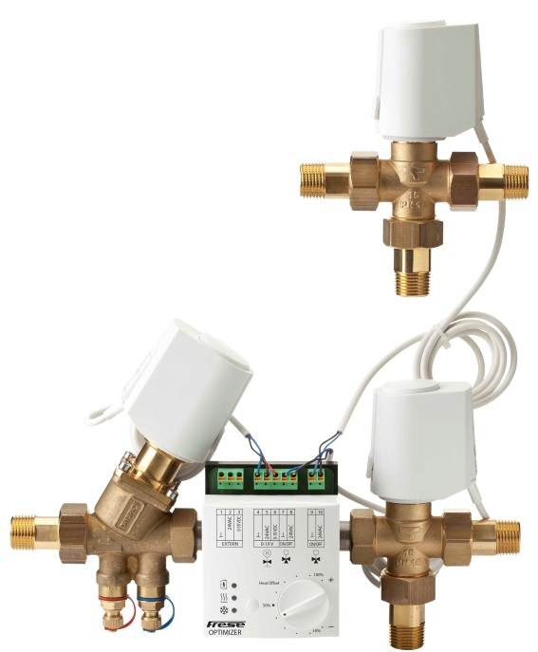
 | Input
Flow cooling | 1000 | l/h
Flow heating | 500 | l/h

Dimension | Range |  | Calculation cooling |  | Calculation heating
 | Flow l/h | Range ∆Pp (kPa) | Pre-set | Min. ∆P (kPa) | Pre-set
DN15 Low 5,0 | 65-370 | 14-400 | NOT POSSIBLE | NOT POSSIBLE | NOT POSSIBLE
DN15 High 5,0 | 220-1330 | 16-400 | 3.0 | 20.7 | 50%
DN25L 5,5 High | 600-3609 | 17-400 | 1.1 | 17.4 | 50%

Range ∆Pp is defined from Min. Pump pressure (Min. ∆Pp) to Max. Pump pressure (Max.∆Pp) .

Frese OPTIMIZER 6 way
QUICK - CALC Frese OPTIMIZER 6 way
Control unit 4-pipe Heating/Cooling Systems

 | Input
Flow cooling | 1800 | l/h
Flow heating | 200 | l/h

 | OPTIMA Compact
Dimension | Range |  | Calculation cooling |  | Total OPTIMIZER | Calculation heating
 | Flow l/h | Range ∆Pp (kPa) | Pre-set | Min. ∆P (kPa) | Min. ∆P (kPa) | Pre-set
DN15 Low 5,0 | 65-370 | 14-600 | NOT POSSIBLE | NOT POSSIBLE | NOT POSSIBLE | NOT POSSIBLE
DN15 High 5,0 | 220-1330 | 16-600 | NOT POSSIBLE | NOT POSSIBLE | NOT POSSIBLE | NOT POSSIBLE
DN20 High 5,5 | 300-1800 | 18-600 | 4.0 | 40.0 | 57.9 | 11%
DN25L 5,5 | 600-3609 | 17-800 | 2.0 | 17.9 | 35.9 | 11%

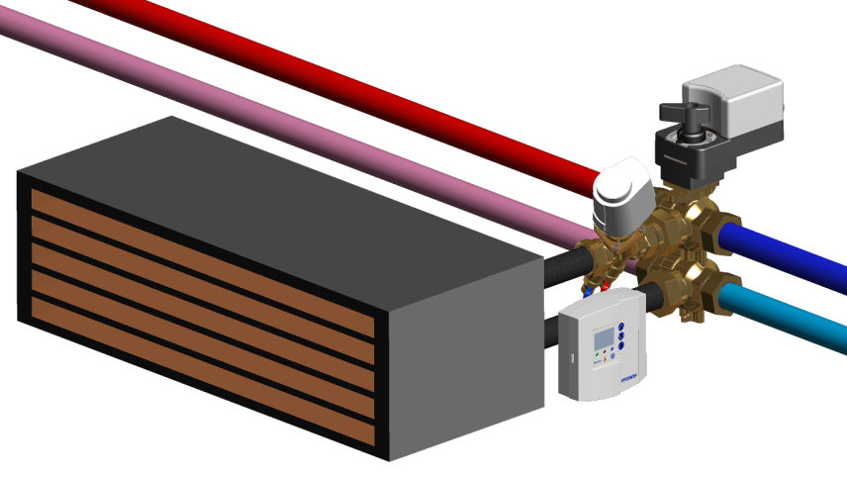

Range ∆Pp is defined from Min. Pump pressure (Min. ∆Pp) to Max. Pump pressure (Max.∆Pp) .

